Tasks 2,3,4
365 DataScience RE California Database
Histograms. Graphing numerical data

Task 2: Create a frequency distribution graph representing the price (that is a histogram with the highest possible number of bins - 272). Use data on all apartments and offices, no matter if sold or not.
Task 3: Create a histogram which represents the Price variable. Choose interval width (bins) of length $100,000. If you don't know how to do that, refer to the Course notes on descriptive statistics provided with the first lecture in this section.
Use the data on all properties, no matter if sold or not.
Task 4: Interpret the results.

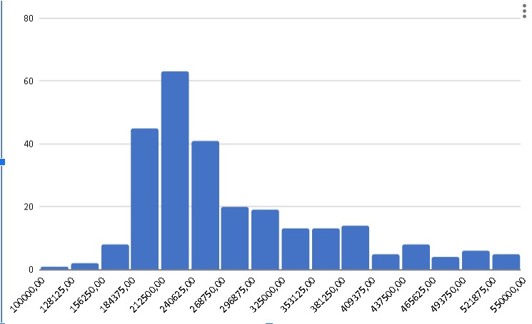
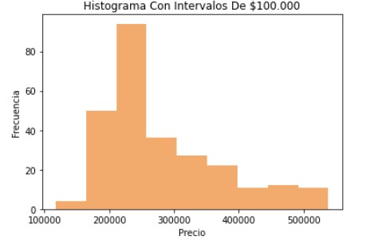
Task 2 :
 |  | Task 3 :

 | task 4: gracias a estos graficos podemos observar que los datos tienen un sesgo o cola hacia el lado
 | derecho en donde el precio que más frecuencia tiene esta entre los rangos de 200.000 y 250.000(300.000), tambien podemos observar
 | algunos datos outliers .

Task 5
365 DataScience RE California Database
Scatter plot. Plotting numerical data; establishing relationship between variables.

Task 5: Create a scatter plot showing the relationship between Price and Area. Use the data on all properties, no matter if sold or not. Interpret the results.

Task 3 :

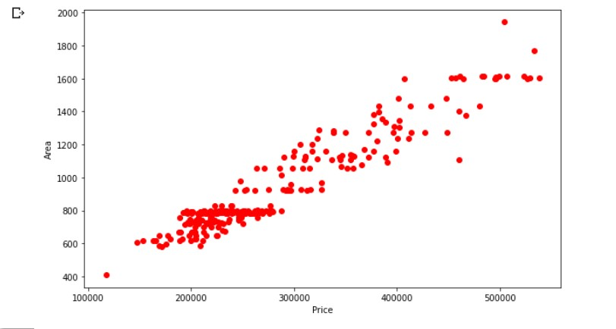

Podemos analizar que mientras menos area tenga una casa menos va a valer , la relacion entre el area y el precio es directamente proporcional
tambien podemos observar que la mayoria de las casas tienen un area entre 600 y 800 , los valores de estas casas ocilan enre 200.000 y 300.000
tambien podemos observar los outliers y algunos de ellos con una particularidad , la cual es que tienen mas area que otras casas pero el precio es menor .

Tasks 6,7
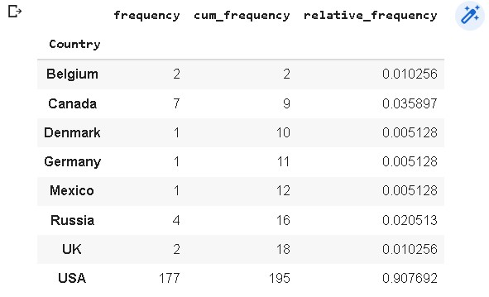
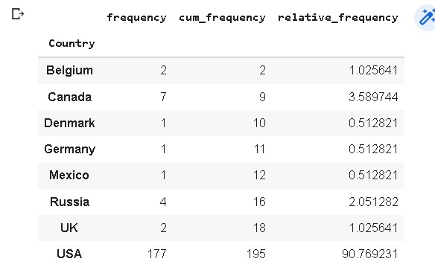
365 DataScience RE California Database
Frequency distribution table. Pareto diagram.

Task 6: Create a frequency distribution table, where you list all the countries from which the company has buyers (country vs number of buyers). Count the absolute frequency, the relative frequency and the cumulative frequency.
Task 7: Create a Pareto diagram representing the data.

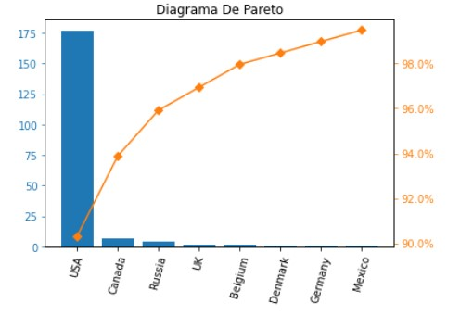
Task 6: | Relative_frequency en porcentaje | Task 7 :

Tasks 8,9
365 DataScience RE California Database
Measures of central tendency, asymmetry and variability

Task 8: Calculate the mean, median, mode, skewness, variance and standard deviation of Price for all properties, no matter if sold or not.
Task 9: Interpret the measures.

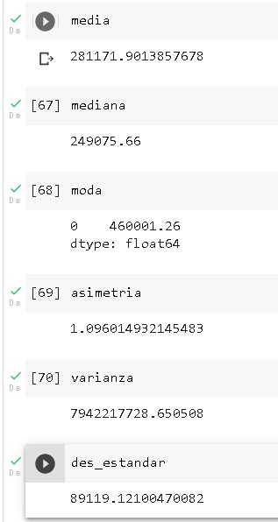
Task 8 :
 | Task 9 :
 | Si analizamos primero la media nos damos cuenta que el promedio del precio de las propiedades
 | es de 281.171 , aunque este valor puede que no sea representativo ni nos pueda indicar mucho acerca de esto
 | debido a que tenemos algunos outliers que hacen que la media no tenga una precision muy acertada .
 | Con la mediana podemos conocer que el 50% de las propiedades valen mas de 249.975 y el otro 50% de los datos
 | estan por debajo de dicho valor .
 | La moda no nos indica mucho en esta situacion , simplemente nos indica el valor de la propiedad que mas veces se repite , pero con esta
 | informacion no podemos sacar un analisis pertinente y coherente
 | La asimetria es de 1 , lo que significa que es una asimetria positiva y la cola va hacia la derecha ,es decir , hay más valores separados de la media a la derecha.

 | Gracias a la varianza y desviacion estandar podemos conocer que tan dispersos estan los datos unos de otros .Si la desviacion estandar es muy grande significa que existe mucha dispersion
 | en todos los datos , en este caso el precio de las propiedades estan muy dispersos .

Task 10
365 DataScience RE California Database
Measures of relationship between variables

Task 10: Calculate the covariance and correlation coefficient between Price and Area, no matter if the property is sold or not. Is the result in line with the scatter plot?

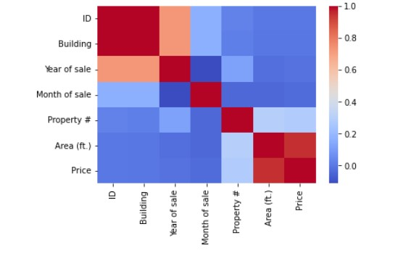

El resultado de la correlacion si esta "en linea" con el diagrama de dispersion ,por que se puede ver y analizar que son directamente proporcionales , no exactos pero si con un porcentaje demasiado alto que en este caso seria de 95%
esto nos quiere decir que el diagrama de dispersion esta muy ligado a la correlacion

